SNBC-3 update
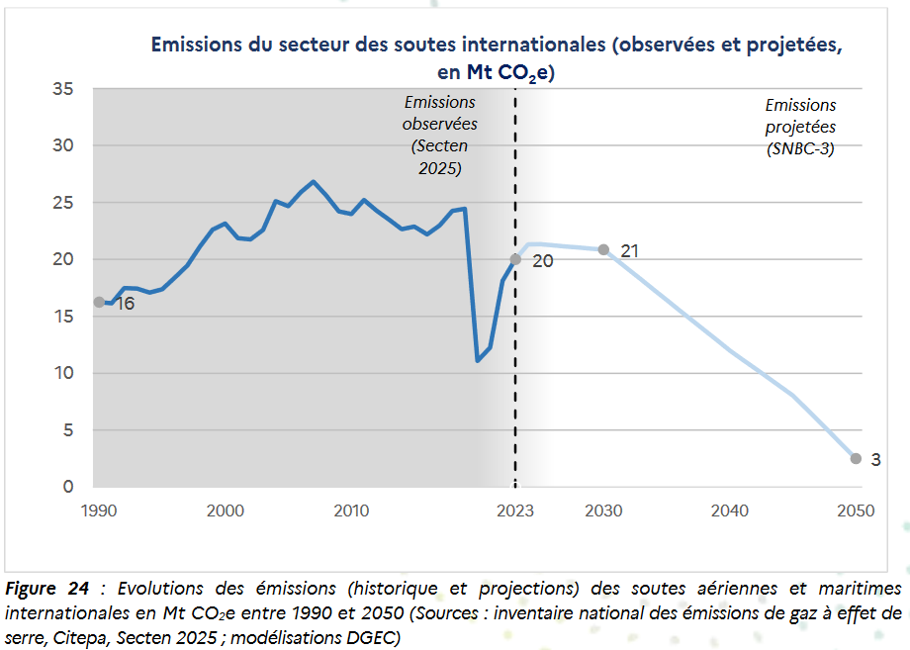
Parameter | Assumption SNBC 2 | Comments on evolution | Assumption SNBC 3 | EnergyScope parameter | Merceron et al., 2024 | de Chambost et al., 2026
Agriculture emissions (MtCO2eq/y) | 48 |  | 43 | AGRICULTURE_EMISSIONS | 48 | 43
Natural carbon sinks (MtCO2eq/y) | -67 | Effects of climate change (drought, bark beetle crisis, fires) on tree mortality, based on IGN-FCBA (2024) | -24 | NATURAL_CO2_SEQUESTRATION | -54.9 | -24
Forestry soil organic carbon sink (MtCO2eq/y) | 0 | New consideration, from IGN-FCBA (2024) | -14 | / | / | -14
CO2 Aviation emissions (incl. International bunkers) | 0 | Out of scope in SNBC 2 assumptions | 16 | PLANE | 24
CO2 maritime emissions (incl. International bunkers) | 0 | Out of scope in SNBC 2 assumptions | 2 | BOAT_FREIGHT_NG | 4

Geological sequestration
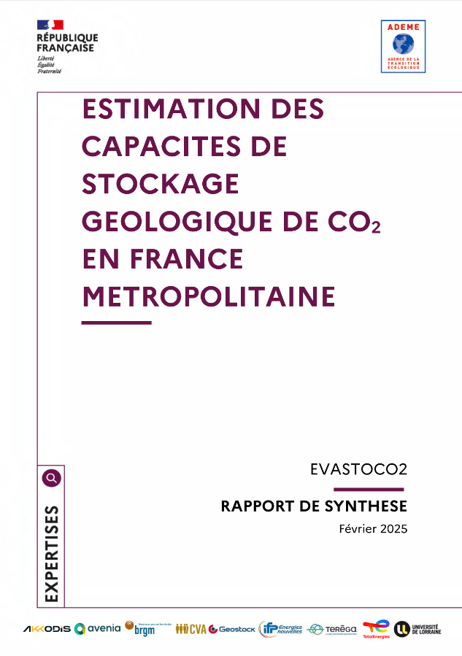
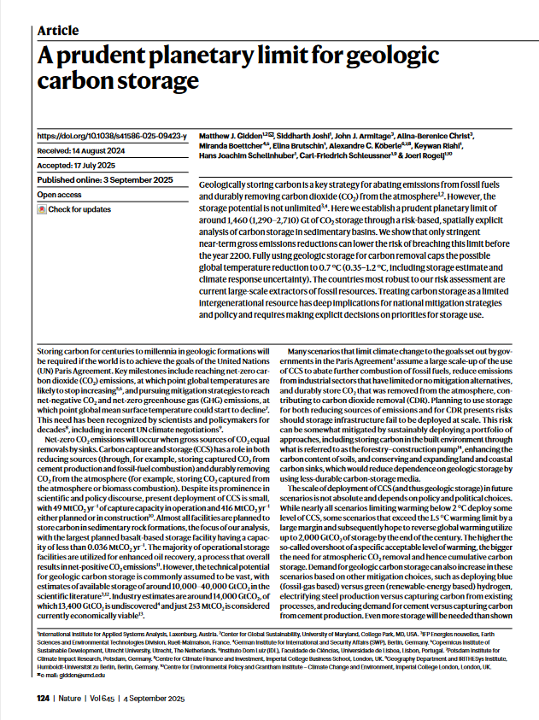
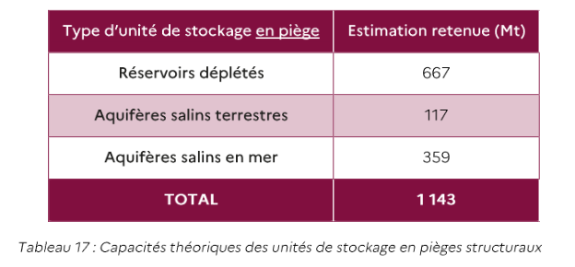
Geological carbon sequestration (MtCO2/y) | Assumption | Reference | Comments
Old value_ MED | -24 | From ADEME, 2021 | Flux annuel capturable en France, pas une capacité de séquestration géologique directe
Updated value 100_HIGH | -36 | Gidden et al., 2025 | Capacité de 3,6 Gt estimée pour la France, linéarisée sur 100 ans
Updated value 200_HIGH | -18 | Gidden et al., 2025 | Capacité de 3,6 Gt estimée pour la France, linéarisée sur 200 ans
Alternative value 100_LOW | -11 | ADEME, 2025 | Capacité de 1,1 Gt CO2 en piège linéarisée sur 100 ans
Alternative value 100_HIGH | -48 | ADEME, 2025 | Capacité de 4,8 GtCO2 en piège + aquifères salins hors structures géologiques linéarisée sur 100 ans

Energy crops GHG impacts
 | Assumptions
Energy crops emissions factors (kgCO2eq/MWh) | Miscanthus | Switchgrass | Willow | Poplar | Reference | Comments
HIGH | 66.96 | 66.96 | 54.72 | 54.72 | JRC, 2015
MED | 36.1 | 70.7 | 27.8 |  | Jeswani et al., 2020 | Willow, poplar = SRC (short rotation coppice) / Les rendements de conversion des feedstocks sont considérés égaux à ceux de El Akkari et al., 2023
LOW | 11.2 | 18.9 | 17.14 | 8.64 | El Akkari et al., 2023, Logist'EC review, 2012 | Highly site-specific so we computed averages both from locations and N-fertilizer inputs, LHV from Morales et al., 2021, Average value selected for each different energy crop
Other value

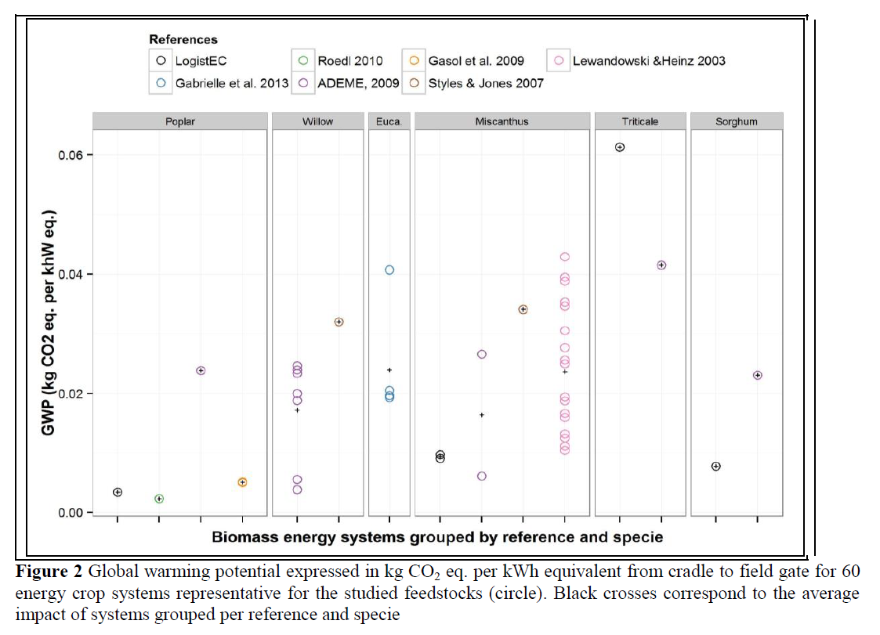
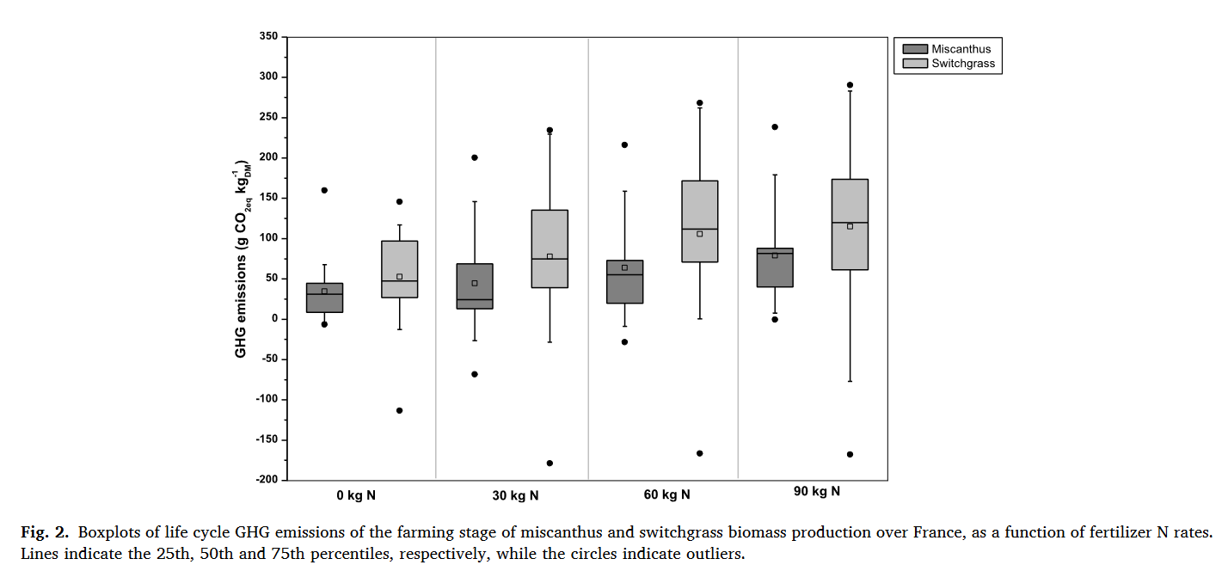
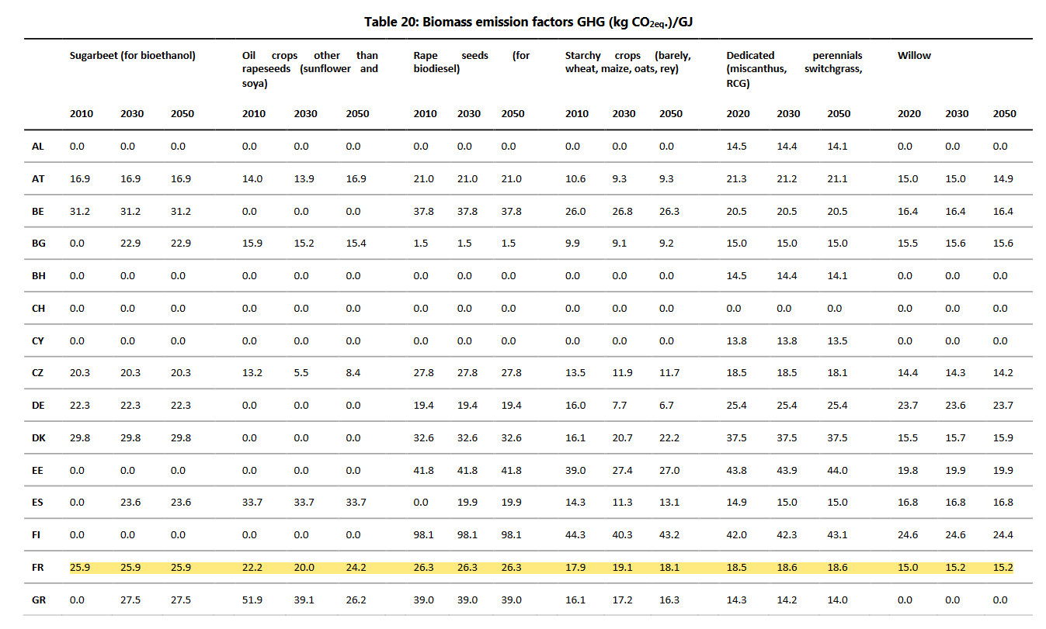

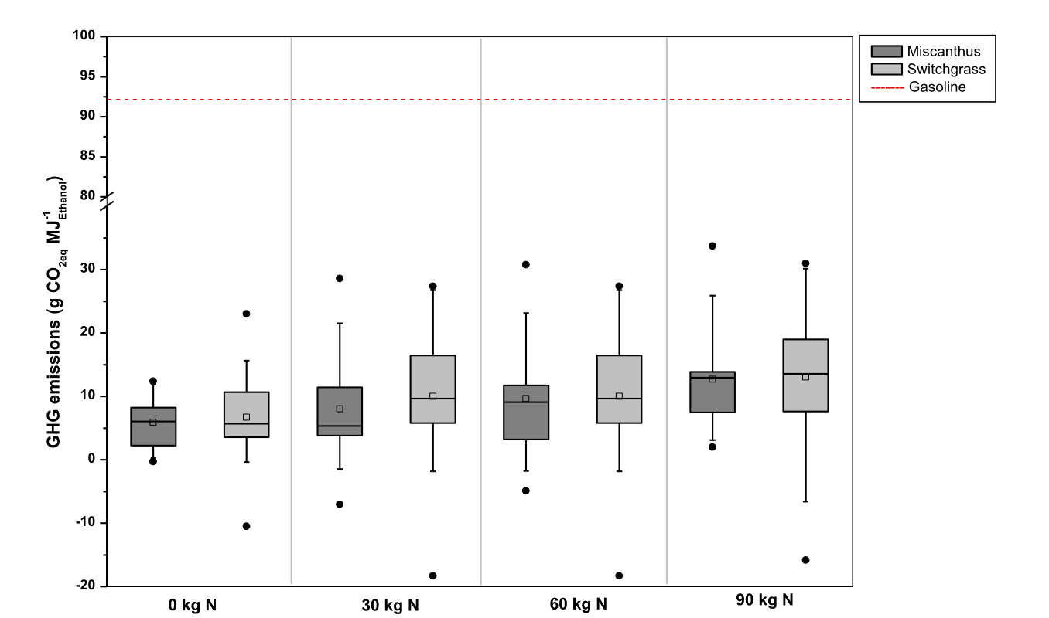

 |  | Miscanthus
 |  | feedstock | ethanol
 |  | 79 | 13 | 0.33760683761 | 33.4%
 |  | 65 | 10 | 0.36111111111
 |  | 45 | 8 | 0.3125
 |  | 35 | 6 | 0.32407407407
 |  | Switchgrass
 |  | feedstock | ethanol
 |  | 115 | 13.5 | 0.51009092925 | 53.4%
 |  | 105 | 10.5 | 0.59880239521
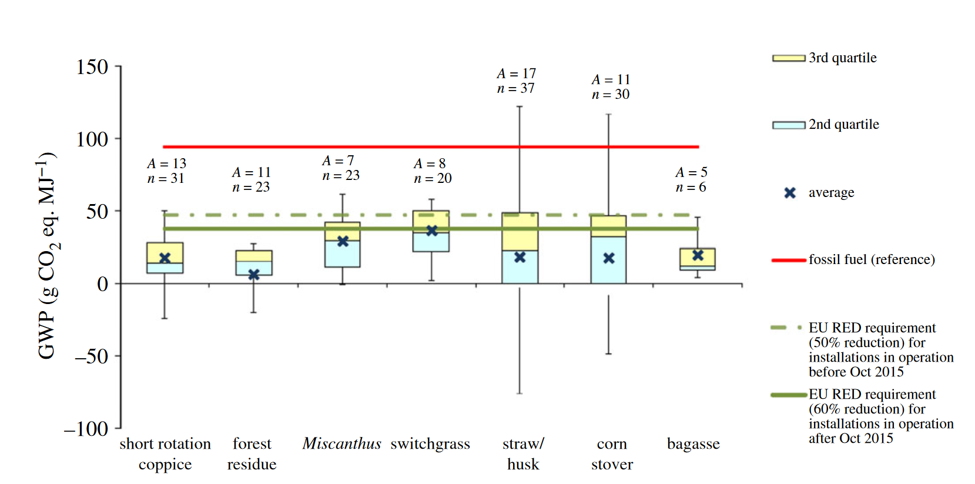
 |  | 78 | 10.5 | 0.44482463644
 |  | 63 | 6.5 | 0.58037770613

Aviation non-CO2 effects
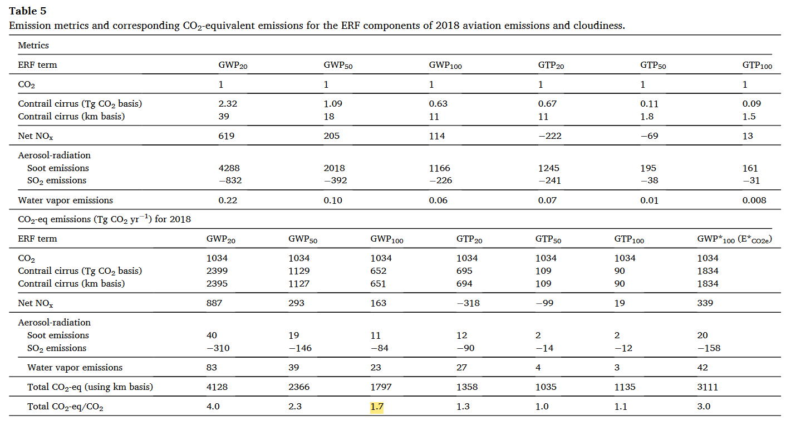
 | Value CO2 emissions (GWP_100) | Value Non-CO2 emissions (GWP_100) | Reference
Aviation non-CO2 effects | 1 | 0.7 | Lee et al., 2021

